Sheet1
 |  |  LIMIT SAMPLE
Name | Part Number | Document Number | Characteristics | Effective Date | Expired Date | Deskripsi | Dimension | Appearance | Jumlah | Metode Pengecekan | Foto ke 1 | Foto ke 2 | Foto ke 3 | Foto ke 4
Part A | PN-001 | - | Char A | 2024/10/9 | 2024/10/9 | Description A | 10x10x10 | Red | 100 | Method A | 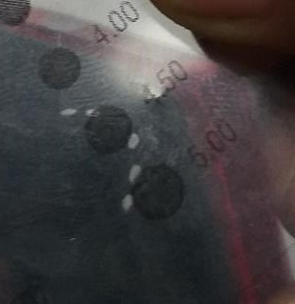 | 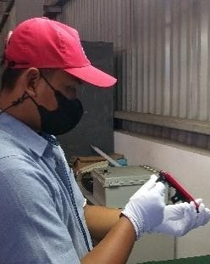 | 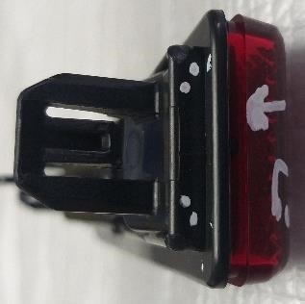 | 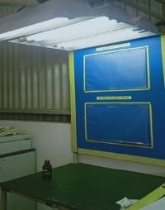
Part B | PN-002 | - | Char B | 2024/10/10 | 2024/10/10 | Description B | 20x20x20 | Blue | 200 | Method B

